필코전자 데이터시트
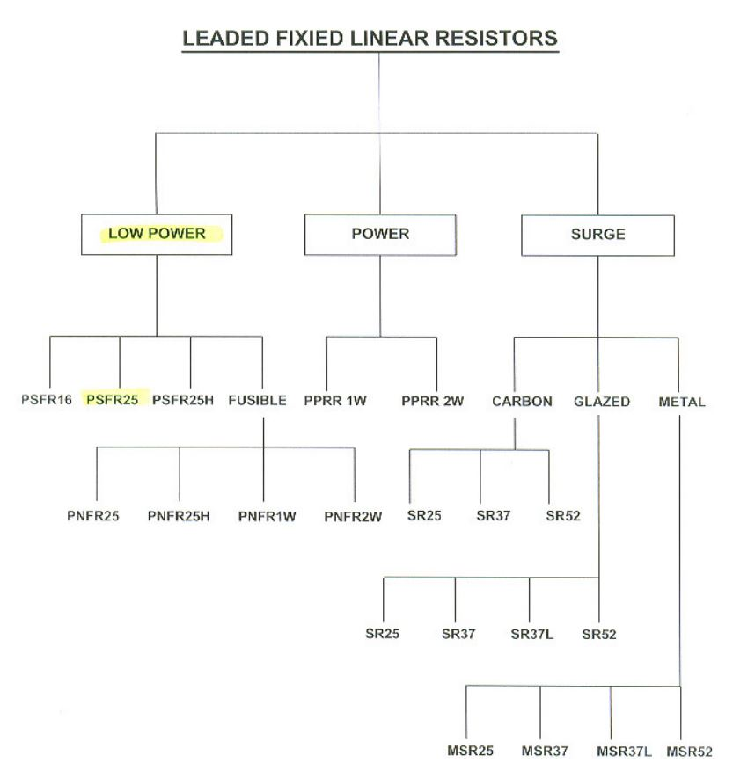
필코전자 품명

 | 구분 | W | Bandolier | Packing | % | type
 | PMSR 240 13xxx | 0.5W | 52mm | ammo | 5% | Axial
 | PNFR 205 83xxx | 0.25W | Forming | R-shape | 5% | Radial

 | 구분 | W | Bandolier | Packing | % | type
 | PPRR 193 15xxx | 1W | 52mm | ammo | 5% | Axial
 | PPRR 194 26xxx | 2W | Forming | R-shape | 5% | Radial
 | PPRR 194 53xxx | 2W | 52mm | ammo | 5% | Axial
 | PPRR 194 63xxx | 2W | Forming | M | 5%
 | PPRR 197 2xxxx | 1W | Forming | R-shape | 1% | Radial
 | PPRR 197 53xxx | 1W | Forming | R-shape | 5% | Radial

 | 구분 | W | Bandolier | Packing | % | type
 | PSFR 181 43xxx | 0.25W | 52mm | ammo | 5% | Axial
 | PSFR 186 5xxxx | 0.5W | 52mm | ammo | 1% | Axial
 | PSFR 186 73xxx | 0.5W | 52mm | ammo | 5% | Axial
 | PSFR 187 2xxxx | 0.125W | 52mm | ammo | 1% | Axial
 | PSFR 187 53xxx | 0.125W | 52mm | ammo | 5% | Axial

